Sheet1
Bernoulli Distribution |  |  |  | P | 1
 | Bernoulli Distribution | It is a discrete distribution. It was invented by James Bernoulli(Swiss Mathemetician) |  | F | 0
 |  | It has only two out come - Success or Failure
 |  | p = 1 (Success) = 1
 |  | q = 0 (Failure) = 1-p |  |  |  | 1 | 0.5 | 0.5
 | Bern(p) | x ~ Bern(p) = p (Tilda) |  |  |  |  | s | f | 1
 |  | Variable "x" follow "~" Bernoulli Distribution with Probability of Success equals to p |  |  | p + q = 1
 | Event | 1 Trail: Any trail of random experiment is called bernoulli Trail Trail should be finite |  |  | q = 1 - P |  | Failuer = q
 |  | 2 Possible Outcome |  |  |  |  | Failuer = 1 - p
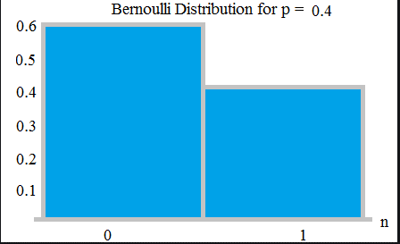
 | Graph |  |  |  | P = 1 - q

 |  |  |  |  |  | p
 |  |  |  |  |  | 1-p

 | Idea | The idea is that, whenever you are running an experiment which might lead either to a success or to a failure, you can associate with your success (labeled with 1) a probability p, while your insuccess (labeled with 0) will have probability (1-p).

 | Conditions | Following condition must satisfy for Bernouli Distribution
 |  | 1. Trail should be finite
 |  | 2. Trail should be Independent
 |  | 3. There is only two outcomes success or failure
 |  | 4. The probability of each trail is same
 |  | 10 coins are tossed simultaneously where the probability of getting head for each coin is 0.6. Find the probability of getting 4 heads. Solution: Probability of getting head, p = 0.6 Probability of getting not head, q = 1 - p = 1 - 0.6 = 0.4 Probability of getting 4 heads out of 10, P(X=4)=C104(0.6)4(0.4)6 = 0.111476736
 |  | P^x - 1-P^1-x
 |  | 0.6^4 - 0.4^1-4

 |  | 0.0256
 |  | 15.625 | -3

